Overview
Eisenberg Noe 2001 Model

Notes
Example of a static cascade model (see Hurd 2016, Chapter 2).
Barucca, Paolo. (2017) 2017. Eisenbergnoe: Matlab Implementation of the Algorithm Described in Eisenberg and Noe 2001. Matlab. https://github.com/paolobarucca/eisenbergnoe.
Eisenberg, Larry, and Thomas H. Noe. 2001. “Systemic Risk in Financial Systems.” Management Science 47 (2): 236–49.
Hurd, Thomas R. 2019. “Introduction to Financial Networks and Systemic Risk.” Toronto. http://www.oecd.org/naec/new-economic-policymaking/NAEC2019_Lecture.pdf.
Hurd, T. R. 2016. Contagion! Systemic Risk in Financial Networks. Springer International Publishing. http://www.springer.com/us/book/9783319339290.
Eisenberg Noe 2001 is considered a classic stylized model for network default contagion. It pre-dated the GFC & was likely ignored until after it. Now it has been extended in many ways to make it more realistic & useful. It has variants for liquidity, & hybrid versions with multiple channels of contagion. I dug it out because it comes up a lot in academic circles. One can get the ultimate system loss easily as the fixed point of a transformation.

InterbankSystem
CREDITOR = RECEIVER
Min =Liabilities*delta+ShockedAssets*(1-delta)
DEBTOR = PAYER
$${\overline{p}}_{ij}=L_{ij}$$
$$c_{i}$$
Inter-bank liabilities = payments - Bank in row i owes bank in column j the amount P(i,j) |  |  |  |  |  |  |  |  |  |  | Net worth |  |  |  |  | delta
Bank | TD | RBC | Scotia | BMO | CIBC | Liabilities - Int | Liabilities - Ext | Liabilities | Assets - Int | Assets - Ext | Equity | Shock | Default | ClearingVector | ShockedAssets | L_LT_A | Min | Diff | One
TD | 0 | 10 | 0 | 0 | 20 | 30 | 15 | 45 | 50 | 10 | 15 | 20 | 1 | 33.55 | 33.55 | 0 | 33.55 | -1.3168680368E-08 | 1
$$b_{i}$$
$${\overline{p}}_{i}$$
$$x_{i}$$
$$x_{i}$$
$$p_{i}$$
RBC | 10 | 0 | 10 | 10 | 0 | 30 | 5 | 35 | 40 | 20 | 35 | 0 | 0 | 35.00 | 50.64 | 1 | 35.00 | -8.0342488218E-09 | 1
Scotia | 20 | 10 | 0 | 10 | 20 | 60 | 0 | 60 | 50 | 25 | 15 | 20 | 1 | 47.82 | 47.82 | 0 | 47.82 | 1.5266564901E-08 | 1
BMO | 10 | 0 | 10 | 0 | 10 | 30 | 30 | 60 | 30 | 80 | 70 | 0 | 0 | 60.00 | 105.58 | 1 | 60.00 | 1.2505552149E-11 | 1
CIBC | 10 | 20 | 30 | 10 | 0 | 70 | 10 | 80 | 50 | 40 | 10 | 20 | 1 | 60.85 | 60.85 | 0 | 60.85 | -1.58532103E-08 | 1
Assets - Int | 50 | 40 | 50 | 30 | 50 |  |  |  |  |  |  |  | 0.5 |  |  |  |  | Objective
ShockedAssets = AssetsExt-Shock+MMULT(TRANSPOSE(LiabilityFraction),ClearingVector)
 |  |  |  |  |  |  |  |  |  |  |  |  |  |  |  |  |  | 7.2235573386E-16

Instructions
1. Edit the Shock vector x_i e.g. try shocking TD, Scotia & CIBC by $20
2. (Or could also edit any input with a star on it
- Liabilities matrix
- External liabilities
- External assets )
3. Data > Analysis/ Solver > Solve
(See tab Solver - help for instructions on setting up the solver add-in.)

$$a_{ij}$$
Relative Liabilities "Pi" or "a"
Pi | TD | RBC | Scotia | BMO | CIBC | Total
TD | 0% | 22% | 0% | 0% | 44% | 67%
RBC | 29% | 0% | 29% | 29% | 0% | 86%
Scotia | 33% | 17% | 0% | 17% | 33% | 100%
BMO | 17% | 0% | 17% | 0% | 17% | 50%
CIBC | 13% | 25% | 38% | 13% | 0% | 88%

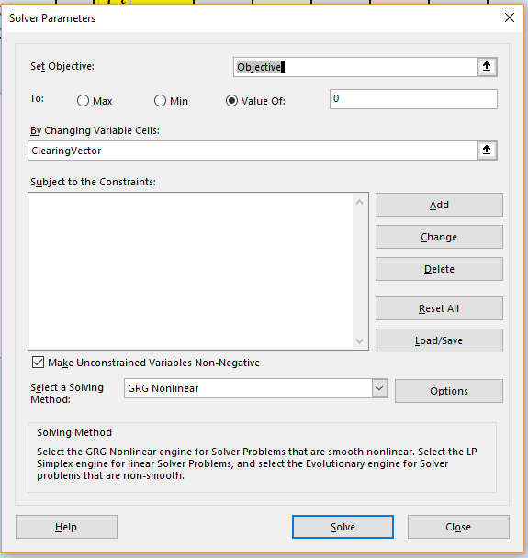
Conditional payment
p(i,j) | TD | RBC | Scotia | BMO | CIBC
TD | 0.0 | 7.5 | 0.0 | 0.0 | 14.9
RBC | 10.0 | 0.0 | 10.0 | 10.0 | 0.0
Scotia | 15.9 | 8.0 | 0.0 | 8.0 | 15.9
BMO | 10.0 | 0.0 | 10.0 | 0.0 | 10.0
CIBC | 7.6 | 15.2 | 22.8 | 7.6 | 0.0

Chart
 | TD+ | RBC+ | Scotia+ | BMO+ | CIBC+ | TD- | RBC- | Scotia- | BMO- | CIBC-
Assets - Int | 50 | 50 | 50 | 50 | 50
Assets - Ext | 10 | 20 | 25 | 80 | 40
Liabilities - Int |  |  |  |  |  | 30 | 30 | 60 | 30 | 70
Liabilities - Ext |  |  |  |  |  | 15 | 5 | 0 | 30 | 10
Equity |  |  |  |  |  | 15 | 35 | 15 | 70 | 10

Purpose of this sheet is to show graphically how the fundamental accounting rule holds for each bank:
Assets = Liabilities + Equities
 | 1 | 6 | 2 | 7 | 3 | 8 | 4 | 9 | 5 | 10
 | TD+ | TD- | RBC+ | RBC- | Scotia+ | Scotia- | BMO+ | BMO- | CIBC+ | CIBC- | 1
Assets - Int | 50 | 0 | 50 | 0 | 50 | 0 | 50 | 0 | 50 | 0 | 2
Assets - Ext | 10 | 0 | 20 | 0 | 25 | 0 | 80 | 0 | 40 | 0 | 3
Liabilities - Int | 0 | 30 | 0 | 30 | 0 | 60 | 0 | 30 | 0 | 70 | 4
Liabilities - Ext | 0 | 15 | 0 | 5 | 0 | 0 | 0 | 30 | 0 | 10 | 5
Equity | 0 | 15 | 0 | 35 | 0 | 15 | 0 | 70 | 0 | 10 | 6

Solver - help
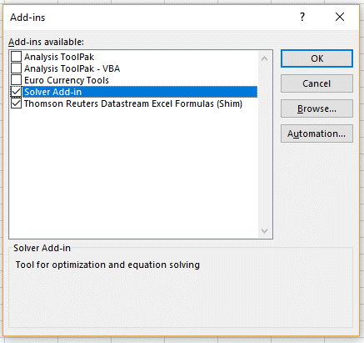
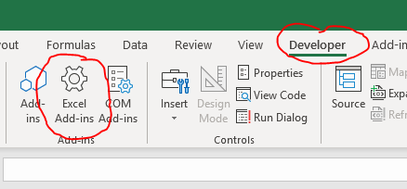

Make sure that the Solver Add-in is active:
Windows:
* On the Developer tab select Excel Add-ins
* Check Solver Add-in
* Find the Solver on the Data tab
Apple Mac:
* On the Data tab select Analysis Tools
* Check Solver

